Pall-Ex
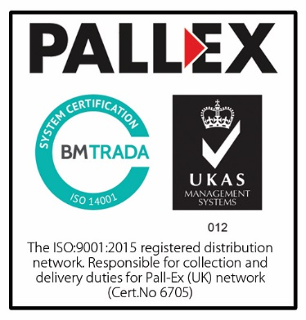

Pall-Ex Group
UK Rate schedule
Valid from: 5th November 2020
Customer: Portsmouth / Fareham Area

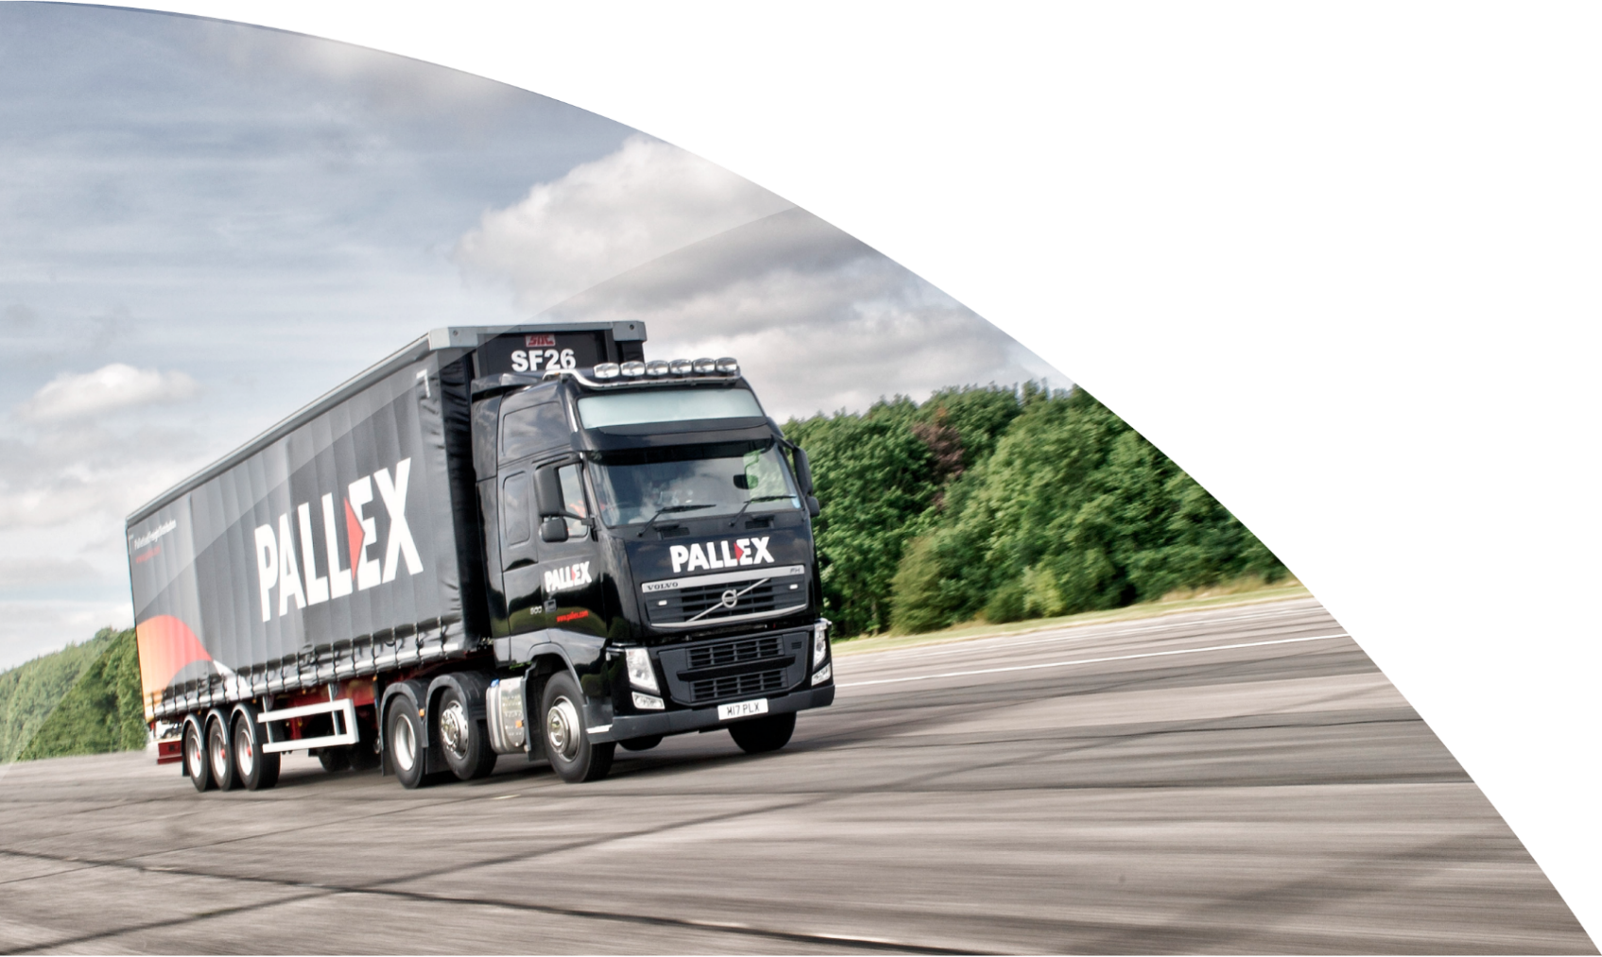

01530 239000
info@pallex.co.uk
www.pallex.co.uk
Pall-Ex House,
Victoria Road, Ellistown,
Leicestershire LE67 1FH

Standard
CUSTOMER: | PALL-EX RATES STANDARD
Page 1

DELIVERY / COLLECTION & 3RD PARTY DELIVERY RATE SCHEDULE | PALLET BASE : STANDARD
ZONE | POSTAREAS | PREMIUM |  |  | ECONOMY
 |  | QUARTER | HALF | FULL | QUARTER | HALF | FULL
1 | LE | £33.00 | £36.00 | £39.50 | £32.00 | £33.00 | £35.50
2 | AL, B, BL, CB, CH1 - 4, CH9 - 99, CV, CW, DE, DN, DY, HD, HP1 - 4, 17 - 26, HX, L, LN1 - 6, LS, LU, M, MK, NG, NN, OL, OX5-8, 15-17,19-27, 30-32, 34-38,40-43, 45-48, PE1-2, S, SG, SK, SN1 -3, 5 - 7, 25 - 26, 38, 99, ST, TF, WA, WF, WN, WR, WS, WV | £35.00 | £40.00 | £42.50 | £33.00 | £35.00 | £39.50
3 | BB, BD, BS1 - 21, BS30 - 99, CH5 - 8, DA10 - 13, DA2 - 4, DA9, EN6-7, EN9+, HP5 -16, 27, LN7+, OX1-4, 9-14, 18, 28-29,33, 39,44, 49, PR, SL, SN4, 8 - 16, WD | £36.00 | £41.00 | £44.50 | £34.00 | £36.00 | £40.50
4 | BS22 - 29, CF, CM, CO, DA1, DA14 - 18, DA5 - 8, DH, EN1 - 5, EN8, FY, GL, HG, HR, HU, IG, IP, NE1-18, 20-46, 50-60, NE82-83, 85, 88, 92 98-99, NP, NR, PE3+, SO1 - 24, RG, RM, SO25, SO30 - 32, SO50+, SP, SR, SY1 - 9, TA1 - 13, TA19, TA21, TS1-5, TS19 +, YO | £38.00 | £43.00 | £47.50 | £35.00 | £38.00 | £42.50
5 | BA, BH, GU, KT, RH, PO1-29, SO40 - 45, SS, TA14 - 18, TA20, TA22 - 24, TW, UB | £39.00 | £44.00 | £49.50 | £36.00 | £39.00 | £43.50
6 | CR, CT, DT, ME, SM | £42.00 | £48.00 | £52.50 | £41.00 | £42.00 | £47.50
7 | BR, CA1 - 12, 16 -18, 24+, DL, E2+, EX1 - 20, 24 - 37, HA, LA, LL1-14, LL20, N2+, NE19, 47-49, NE61 - 71, NW2 - 7, NW9+, SE2 - 10, 12+, TS6 - 18, W3 - 8, 10+ | £42.00 | £48.00 | £56.50 | £37.00 | £42.00 | £47.50
8 | E1, E1W, EC, N1, NW1,8, SE1, SE11, SW1, W1,2,9, WC | £57.00 | £57.00 | £57.00 | £57.00 | £57.00 | £57.00
9 | BN, CA13 - 15 19 - 23, EX21 - 23, 38 - 39, PL1 - 9, PL16, PL18 - 21, SW2+, TN, TQ | £43.00 | £51.00 | £60.50 | £42.00 | £44.00 | £51.50
10 | DG1 -2, DG11 - 12, 15+, FK1 - 19, G1 - 82, KA1 - 26, KA29+, LD, LL15 -19, LL21+, ML, PA1 - 19, PL10 - 15, PL17, PL22+, SA1-33, 39, SY10+, *TR21 - 25 | £43.00 | £51.00 | £62.00 | £42.00 | £44.00 | £52.00
11 | DG3 - 10, 13 - 14, EH, FK20 - 21, G83 - 84, KY, SA34-38, 40+, TD, TR1-16, 27 | £48.00 | £55.00 | £65.00 | £44.00 | £48.00 | £55.00
12 | PA21 - 38, PH33, PH36 - 41, PH49 - 50, TR17-20, 26 | £73.00 | £75.00 | £77.00 | £73.00 | £75.00 | £77.00
13 | AB1 - 25, IV1 - 40, IV52 - 54, IV63 | £72.00 | £77.00 | £87.00 | £67.00 | £72.00 | £77.00
14 | AB30 - 56, KW1 - 14, PH19 - 32, PH34 - 35 | £67.00 | £72.00 | £77.00 | £67.00 | £72.00 | £77.00
15 | DD, PH1 - 18 | £69.00 | £69.00 | £84.00 | £57.00 | £61.00 | £68.00
16 | HS, IV41 - 51, IV55 -56, KA28, PA20, PA40+, PH42 - 44 | £102.00 | £102.00 | £102.00 | £102.00 | £102.00 | £102.00
17 | KA27 | £110.00 | £110.00 | £110.00 | £110.00 | £110.00 | £110.00
18 | ZE, KW15 - 17 | £142.00 | £142.00 | £142.00 | £142.00 | £142.00 | £142.00
19 | BT1 - 23, BT36 - 40 | £84.00 | £84.00 | £84.00 | £77.00 | £77.00 | £77.00
20 | BT24 - 35, BT41 - 99 | £89.00 | £89.00 | £89.00 | £77.00 | £77.00 | £77.00
21 | Dublin | £99.00 | £99.00 | £99.00 | £84.00 | £84.00 | £84.00
22 | Rest of Eire | £104.00 | £104.00 | £104.00 | £89.00 | £89.00 | £89.00
23 | PO30 -41 | £63.00 | £71.00 | £83.00 | £57.00 | £63.00 | £72.00
24 | IM | £102.00 | £102.00 | £119.00 | £102.00 | £102.00 | £119.00
25 | GY, JE | £109.00 | £109.00 | £112.00 | £109.00 | £109.00 | £112.00
Half and quarter pallet rates only apply to consignments of 3 pallets or less. | Minimum Consignment Charges apply to both Premium & Economy for Zone 10 and Zone 11
* Post codes TR21-25 (Zone 10) surcharge varies - POA

Euro
CUSTOMER | PALL-EX RATES EURO
Page 2

DELIVERY / COLLECTION / 3RD PARTY DELIVERY / 3RD PARTY COLLECTION RATE SCHEDULE | PALLET BASE : EURO
ZONE | POSTAREAS | PREMIUM |  |  | ECONOMY
 |  | QUARTER | HALF | FULL | QUARTER | HALF | FULL
1 | LE | £31.00 | £33.00 | £37.00 | £31.00 | £31.00 | £33.00
2 | AL, B, BL, CB, CH1 - 4, CH9 - 99, CV, CW, DE, DN, DY, HD, HP1 - 4, 17 - 26, HX, L, LN1 - 6, LS, LU, M, MK, NG, NN, OL, OX5-8, 15-17,19-27, 30-32, 34-38,40-43, 45-48, PE1-2, S, SG, SK, SN1 -3, 5 - 7, 25 - 26, 38, 99, ST, TF, WA, WF, WN, WR, WS, WV | £32.00 | £35.00 | £39.00 | £32.00 | £32.00 | £35.00
3 | BB, BD, BS1 - 21, BS30 - 99, CH5 - 8, DA10 - 13, DA2 - 4, DA9, EN6-7, EN9+, HP5 -16, 27, LN7+, OX1-4, 9-14, 18, 28-29,33, 39,44, 49, PR, SL, SN4, 8 - 16, WD | £34.00 | £37.00 | £41.00 | £33.00 | £34.00 | £37.00
4 | BS22 - 29, CF, CM, CO, DA1, DA14 - 18, DA5 - 8, DH, EN1 - 5, EN8, FY, GL, HG, HR, HU, IG, IP, NE1-18, 20-46, 50-60, NE82-83, 85, 88, 92 98-99, NP, NR, PE3+, SO1 - 24, RG, RM, SO25, SO30 - 32, SO50+, SP, SR, SY1 - 9, TA1 - 13, TA19, TA21, TS1-5, TS19 +, YO | £35.00 | £37.00 | £44.00 | £33.00 | £35.00 | £37.00
5 | BA, BH, GU, KT, RH, PO1-29, SO40 - 45, SS, TA14 - 18, TA20, TA22 - 24, TW, UB | £36.00 | £38.00 | £45.00 | £35.00 | £36.00 | £38.00
6 | CR, CT, DT, ME, SM | £38.00 | £41.00 | £47.00 | £37.00 | £38.00 | £41.00
7 | BR, CA1 - 12, 16 -18, 24+, DL, E2+, EX1 - 20, 24 - 37, HA, LA, LL1-14, LL20, N2+, NE19, 47-49, NE61 - 71, NW2 - 7, NW9+, SE2 - 10, 12+, TS6 - 18, W3 - 8, 10+ | £37.00 | £43.00 | £51.00 | £36.00 | £37.00 | £43.00
8 | E1, E1W, EC, N1, NW1,8, SE1, SE11, SW1, W1,2,9, WC | £51.00 | £51.00 | £51.00 | £51.00 | £51.00 | £51.00
9 | BN, CA13 - 15 19 - 23, EX21 - 23, 38 - 39, PL1 - 9, PL16, PL18 - 21, SW2+, TN, TQ | £38.00 | £45.00 | £54.00 | £37.00 | £39.00 | £45.00
10 | DG1 -2, DG11 - 12, 15+, FK1 - 19, G1 - 82, KA1 - 26, KA29+, LD, LL15 -19, LL21+, ML, PA1 - 19, PL10 - 15, PL17, PL22+, SA1-33, 39, SY10+, *TR21 - 25 | £37.00 | £45.00 | £54.00 | £36.00 | £39.00 | £45.00
11 | DG3 - 10, 13 - 14, EH, FK20 - 21, G83 - 84, KY, SA34-38, 40+, TD, TR1-16, 27 | £43.00 | £47.00 | £59.00 | £40.00 | £43.00 | £47.00
12 | PA21 - 38, PH33, PH36 - 41, PH49 - 50, TR17-20, 26 | £73.00 | £75.00 | £77.00 | £73.00 | £75.00 | £77.00
13 | AB1 - 25, IV1 - 40, IV52 - 54, IV63 | £67.00 | £72.00 | £82.00 | £52.00 | £53.00 | £59.00
14 | AB30 - 56, KW1 - 14, PH19 - 32, PH34 - 35 | £52.00 | £53.00 | £59.00 | £52.00 | £53.00 | £59.00
15 | DD, PH1 - 18 | £60.00 | £60.00 | £72.00 | £52.00 | £53.00 | £59.00
16 | HS, IV41 - 51, IV55 -56, KA28, PA20, PA40+, PH42 - 44 | £86.00 | £86.00 | £86.00 | £86.00 | £86.00 | £86.00
17 | KA27 | £92.00 | £92.00 | £92.00 | £92.00 | £92.00 | £92.00
18 | ZE, KW15 - 17 | £142.00 | £142.00 | £142.00 | £142.00 | £142.00 | £142.00
19 | BT1 - 23, BT36 - 40 | £77.00 | £77.00 | £77.00 | £69.00 | £69.00 | £69.00
20 | BT24 - 35, BT41 - 99 | £80.00 | £80.00 | £80.00 | £69.00 | £69.00 | £69.00
21 | Dublin | £84.00 | £84.00 | £84.00 | £72.00 | £72.00 | £72.00
22 | Rest of Eire | £84.00 | £84.00 | £84.00 | £72.00 | £72.00 | £72.00
23 | PO30 -41 | £63.00 | £67.00 | £78.00 | £57.00 | £61.00 | £69.00
24 | IM | £102.00 | £102.00 | £119.00 | £102.00 | £102.00 | £119.00
25 | GY, JE | £106.00 | £106.00 | £109.00 | £106.00 | £106.00 | £109.00
Half and quarter pallet rates only apply to consignments of 3 pallets or less. | Minimum Consignment Charges apply to both Premium & Economy for Zone 10 and Zone 11
* Post codes TR21-25 (Zone 10) surcharge varies - POA

Redelivery charges
REDELIVERY RATES SCHEDULE | PALLET BASE : STANDARD AND EURO
Page 3

 |  |  | 17

RE-DELIVERY ZONE | IMR ZONE | POSTAREAS | *REDELIVERY RATES
 |  |  | QUARTER | HALF | FULL
1 | 1 | LE | £31.00 | £32.00 | £35.00
2 | 2 | AL, B, BL, CB, CH1 - 4, CH9 - 99, CV, CW, DE, DN, DY, HD, HP1 - 4, 17 - 26, HX, L, LN1 - 6, LS, LU, M, MK, NG, NN, OL, OX5-8, 15-17,19-27, 30-32, 34-38,40-43, 45-48, PE1-2, S, SG, SK, SN1 -3, 5 - 7, 25 - 26, 38, 99, ST, TF, WA, WF, WN, WR, WS, WV | £32.00 | £34.00 | £39.00
3 | 3 | BB, BD, BS1 - 21, BS30 - 99, CH5 - 8, DA10 - 13, DA2 - 4, DA9, EN6-7, EN9+, HP5 -16, 27, LN7+, OX1-4, 9-14, 18, 28-29,33, 39,44, 49, PR, SL, SN4, 8 - 16, WD | £32.00 | £35.00 | £40.00
 | 4 | BS22 - 29, CF, CM, CO, DA1, DA14 - 18, DA5 - 8, DH, EN1 - 5, EN8, FY, GL, HG, HR, HU, IG, IP, NE1-18, 20-46, 50-60, NE82-83, 85, 88, 92 98-99, NP, NR, PE3+, SO1 - 24, RG, RM, SO25, SO30 - 32, SO50+, SP, SR, SY1 - 9, TA1 - 13, TA19, TA21, TS1-5, TS19 +, YO
 | 5 | BA, BH, GU, KT, RH, PO1-29, SO40 - 45, SS, TA14 - 18, TA20, TA22 - 24, TW, UB
 | 6 | CR, CT, DT, ME, SM
 | 7 | BR, CA1 - 12, 16 -18, 24+, DL, E2+, EX1 - 20, 24 - 37, HA, LA, LL1-14, LL20, N2+, NE19, 47-49, NE61 - 71, NW2 - 7, NW9+, SE2 - 10, 12+, TS6 - 18, W3 - 8, 10+
 | 9 | BN, CA13 - 15 19 - 23, EX21 - 23, 38 - 39, PL1 - 9, PL16, PL18 - 21, SW2+, TN, TQ
4 | 10 | DG1 - 5, DG10+, FK, G, KA1 - 26, KA29+, LD, LL15 -19, LL21+, ML, PA1 - 19, PL10 - 15, PL17, PL22+, SA1-33, 39, SY10+, TR12-25 | £35.00 | £38.00 | £43.00
 | 11 | DG3 - 10, 13 - 14, EH, FK20 - 21, G83 - 84, KY, SA34-38, 40+, TD, TR1-16, 27
 | 13 | AB1 - 25, IV1 - 40, IV52 - 54, IV63
 | 14 | AB30 - 56, KW1 - 14, PH19 - 32, PH34 - 35
 | 15 | DD, PH1 - 18
 | 19 | BT1 - 23, BT36 - 40
 | 20 | BT24 - 35, BT41 - 99
 | 21 | Dublin
 | 22 | Rest of Eire
 | 23 | PO30 -41
 | 24 | IM
 | 25 | GY, JE
5 | 8 | E1, E1W, EC, N1, NW1,8, SE1, SE11, SW1, W1,2,9, WC | £50.45 | £50.45 | £50.45
6 | 12 | PA21 - 38, PH33, PH36 - 41, PH49 - 50, TR17-20, 26 | £57.00 | £57.00 | £57.00
7 | 16 | HS, IV41 - 51, IV55 -56, KA28, PA20, PA40+, PH42 - 44 | £77.00 | £77.00 | £77.00
 | 17 | KA27
 | 18 | ZE, KW15 - 17
 | REDELIVERY RATES
 | *NO MULTIPAL DISCOUNT /NO MINIMUM CONSIGNMENT CHARGE
 | * REDELIVERY RATES APPLY TO STANDARD AND EURO PALLET BASES

Pallet dims and info
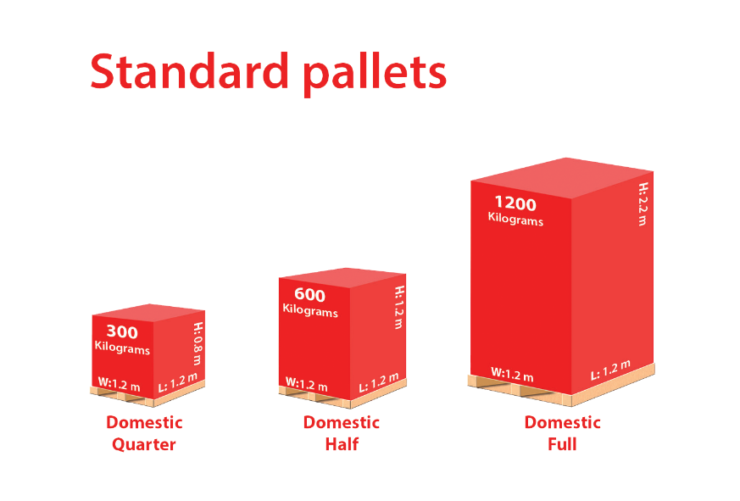
PALLET DIMENSIONS AND NOTES
PALLET DIMENSIONS AND NOTES
Page 4

 |  | Pallet Surcharges:
 |  | Retail Plus - Ground Floor |  |  | £12.50
 |  | Retail Plus - Basement / 1st Floor |  |  | £25.00
 |  | Specified Day Economy Service
 |  | Quarter |  | Half | Full
 |  | £1.00 |  | £1.00 | £1.50
 |  | Any other requirement |  |  | POA
 |  | Palletisation: Collection of items which are not palletised. Eco service only. (Goods must be packaged and require palletisation). Collecting depot to supply pallet and to palletise the items fit for onward delivery. |  |  | £12.50

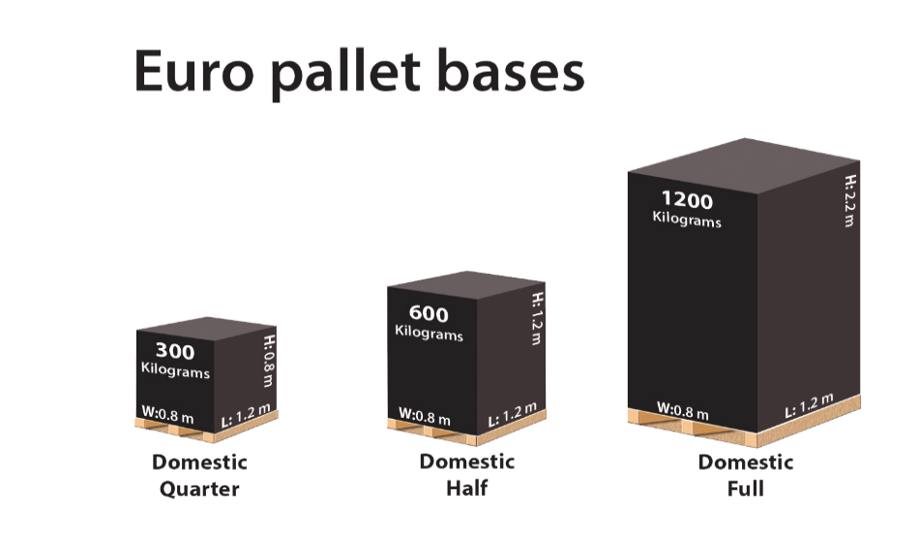
 |  | Bundles: A bundle must accompany a pallet and be in accordance with the bundle dims. Bundle accounts need to be notified to Network Support prior to start. |  |  | £9.00

 |  | Consignment Surcharges:
 |  | Amazon | £15.00
 |  | Timed | £15.00 | Paperwork On Pallet | £1.00
 |  | Timed AM | £10.00 | Demurrage (per hour or part of) | £25.00
 |  | Saturday AM | £40.00 | Out of Hours Charge | £30.00
 |  | Non deleted consignments |  | Relevant delivery charge + surcharge for any consignment not deleted pre-midnight on the day of manifesting
Bundles
 |  | Insurance |  | £1300 per tonne / Excess £100

 |  | Minimum consignment charge (applies to Premium and Eco) |  | Zone 10 | £40.00
Length | <300cm |  |  | Zone 11 | £45.00
Width | <30cm
Depth | <15cm | Please note
Weight | <25KG | - Normal delivery window: 9am to 5pm, Monday to Friday (earliest timed delivery 10am) ; Any deliveries outside this window: + £30 per consignment

Multipall dis
MULTI PALLET DISCOUNT
Page 5

Discount table | No of pallets | Discount per consignment
2nd Pallet £ 2.00 discount | 2 | £2.00
3rd Pallet £ 4.00 discount | 3 | £6.00
4th Pallet £ 6.00 discount | 4 | £12.00
5th Pallet £ 8.00 discount | 5 | £20.00
6th Pallet £ 8.00 discount | 6 | £28.00
7th Pallet £ 8.00 discount | 7 | £36.00
8th Pallet £ 8.00 discount | 8 | £44.00
9th Pallet £ 8.00 discount | 9 | £52.00
10th Pallet £ 8.00 discount | 10 | £60.00
11th Pallet £ 8.00 discount | 11 | £68.00
12th Pallet £ 8.00 discount | 12 | £76.00
Maximum discount | 13+ | £76.00
Discounts apply to delivery/collection and 3rd party delivery rates only not 3rd Party Collections or Redeliveries

Discounts DO NOT apply to sub-contractor areas, for clarity these areas are: - FK20-21; HS1-9; IV40, IV52-54; KA27; KW15-17; PA21-38; PA41-49; PA60-78; PA80; PH33-34; PH36-44; PH49-50; ZE1-3

